Mean Absolute Deviation (MAD)
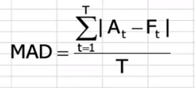
Month | Demand | Forecast | ABS Error
1 | 220
2 | 250 | 255 | 5
3 | 210 | 205 | 5
4 | 300 | 320 | 20
5 | 325 | 315 | 10

 | Total |  | 40
 | T (time periods) |  | 4

 | MAD |  | 10

